Worksheet
Generated by SolarQuotes.com.au: | Latest version here

Product Name | Akasol neeoQube | Aquion Aspen 48S-2.2 | Arvio Sirius Capacitor Module | BYD B-Box RES | BYD B Box Pro 13.8 | BMZ ESS3.0 | DCS PV 10.0 | DCS PV 13.5 | Delta Hybrid E5 | ELMOFO E-Cells ALB52-106 | Fronius Solar Battery | GCL E-KwBe 5.6 | GenZ 48V 3kWh | Leclanche Apollion Cube | LG Chem Resu 10 | LG Chem RESU 6.5 | LG Chem RESU HV 10 | LG Chem RESU HV 7 | PowerPlus Energy LiFe Premium Series | Pylontech US2000B | Redflow Zcell | SimpliPhi PHI3.4 Smart-Tech battery | SolaX 3.3 | SolaX 6.5 | SolaX Triple Power 4.5 | SolaX Triple Power 6.3 | Soltaro 2 | Soltaro 4.5 | Sonnenschein @ Home Lithium | SunGrow SBP4K8 | SolarWatt MyReserve Matrix | Sonnenbatterie Eco 9.43 | Tesla Powerwall 2 | Trinabess Powercube | Alpha-ESS Storion SMILE 5 – 5.5kWh | Alpha-ESS Storion SMILE 5 -11kWh | Alpha-ESS Storion SMILE 5 -16.5kWh | Enphase AC Battery | Eguana Evolve | Hansol AIO 10.8 | Hansol AIO 7.2 | Hybrid "Home" Plus | Magellan HESS | Opal Storage | All-in-One Soltaro 5kw / 4.5kWh | All-in-One Soltaro 5kw / 9kWh | All-in-One Soltaro 5kw / 13.5kWh | Redback SH5000 + BE13200 | Senec.home Li 10 | SolaX Power Station | Sunverge SIS | VARTA Pulse 6
Product Image | 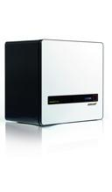 | 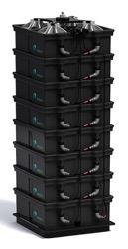 | 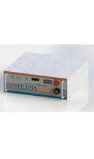 | 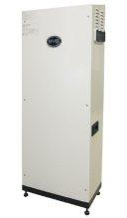 | 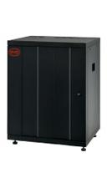 | 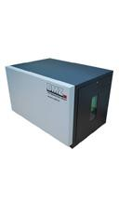 | 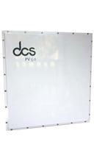 |  | 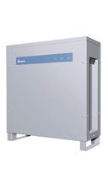 | 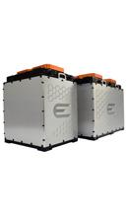 | 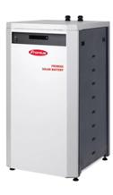 | 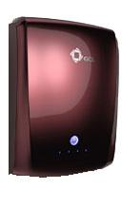 | 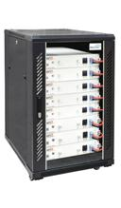 | 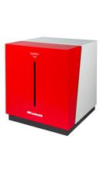 | 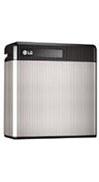 | 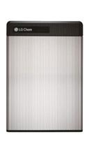 | 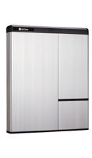 | 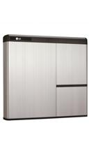 | 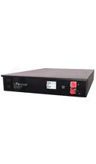 | 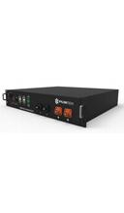 | 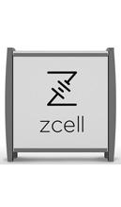 | 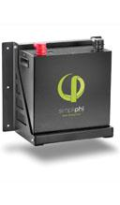 | 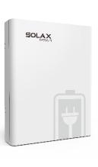 | 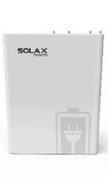 | 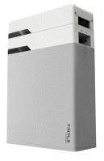 |  | 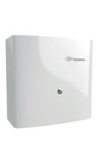 | 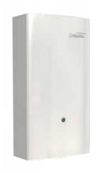 | 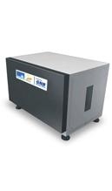 | 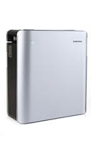 | 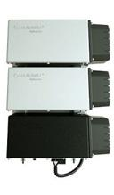 | 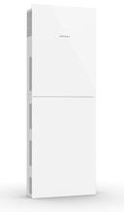 | 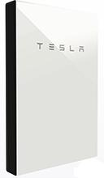 | 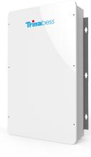 | 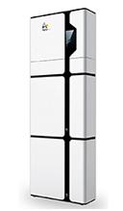 |  |  | 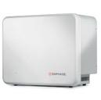 | 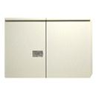 | 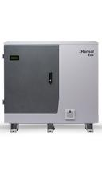 |  | 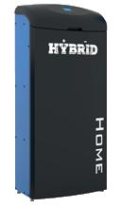 | 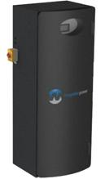 | 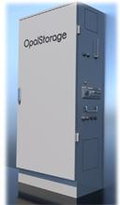 | 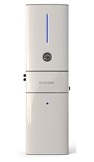 | 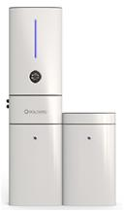 | 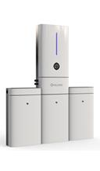 | 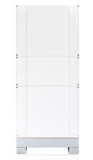 | 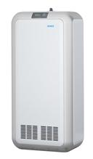 | 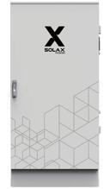 | 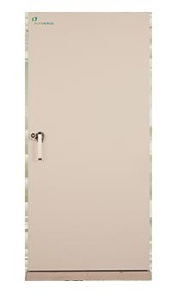 | 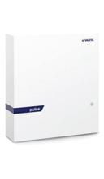
Entry Last Updated | Pre-October 2018 | Pre-October 2018 | Pre-October 2018 | October 2018 | January 2019 | Pre-October 2018 | Pre-October 2018 | Pre-October 2018 | Pre-October 2018 | Pre-October 2018 | Pre-October 2018 | Pre-October 2018 | 25 April 2019 | Pre-October 2018 | January 2019 | January 2019 | January 2019 | October 2018 | December 2018 | 27 February 2019 | Pre-October 2018 | Pre-October 2018 | Pre-October 2018 | Pre-October 2018 | 22 March 2019 | 22 March 2019 | Pre-October 2018 | Pre-October 2018 | Pre-October 2018 | Pre-October 2018 | 1 April 2019 | January 2019 | 25 July 2019 | Pre-October 2018 | December 2018 | December 2018 | December 2018 | January 2019 | February 2019 | Pre-October 2018 | Pre-October 2018 | Pre-October 2018 | Pre-October 2018 | Pre-October 2018 | November 2018 | November 2018 | November 2018 | December 2018 | 19 June 2019 | Pre-October 2018 | Pre-October 2018 | January 2019
In Depth Analysis? | Not yet. | Yes, review here. | Yes, review here. | Yes, review here. | Not yet. | Not yet. | Yes, review here | Yes, review here | Not yet. | Not yet. | Not yet. | Yes, review here. | Not yet. | Not yet. | Yes, review here. | Yes, review here. | Not yet. | Not yet | Not yet. | Not yet. | Yes, On-grid and Off-grid. | Yes, review here. | Not yet | Not yet | Not yet | Not yet | Not yet | Not yet | Not yet | Not yet. | Not yet. | Yes, review here. | Yes, review here. | Not yet. | Yes, review here. | Yes, review here. | Yes, review here. | Yes, review here | Not yet. | Yes, review here | Yes, review here | Not yet. | Not yet. | Not yet. | Not yet | Not yet | Not yet | Not yet. | Not yet. | Not yet. | Not yet. | Not yet
Australian Approvals | N/A | N/A | N/A | N/A |  | N/A | N/A | N/A | N/A | N/A | N/A | N/A | N/A | N/A |  |  |  | N/A | N/A |  | N/A | N/A | N/A | N/A |  |  | N/A | N/A | N/A | N/A | N/A |  |  | N/A |  |  |  |  |  | N/A | N/A | N/A | N/A | N/A | N/A | N/A | N/A |  |  | N/A | N/A
Battery Type | Lithium Ion (Lithium Iron Phosphate) | Aqueous Hybrid Ion | Graphene super capacitor with a lithium ion electrode | Lithium-ion (Lithium Iron Phosphate) | Lithium-ion (Lithium Iron Phosphate) | Li-Ion (NMC) | Lithium-Ion (Lithium Iron Phosphate) | Lithium-Ion (Lithium Iron Phosphate) | Lithium-Ion | Lithium Ion | Lithium-ion (Lithium Iron Phosphate) | Lithium-Ion (NMC) | Lithium-ion (Lithium Iron Phosphate) | Li-Ion (NMC) | Lithium-Ion (NMC) | Lithium-Ion (NMC) | Lithium-Ion (NMC) | Lithium-Ion (NMC) | Lithium-Ion (Lithium Iron Phosphate) | Lithium-ion (Lithium Iron Phosphate) | Flow (Zinc-Bromide) | Lithium-ion (Lithium Iron Phosphate) | Lithium Ion (NMC) | Lithium Ion (NMC) | Lithium Ion (NMC) | Lithium Ion (NMC) | Lithium Ion (Lithium Iron Phosphate) | Lithium Ion (Lithium Iron Phosphate) | Lithium-Ion (NMC) | Lithium-Ion (NMC) | Lithium Ion | Lithium-ion (Lithium Iron Phosphate) | Lithium Ion (NMC) | Lithium Ion (Lithium Iron Phosphate) | Lithium-ion (Lithium Iron Phosphate) | Lithium-ion (Lithium Iron Phosphate) | Lithium-ion (Lithium Iron Phosphate) | Lithium Ion (Lithium Iron Phosphate) | Lithium Ion (NMC) | Lithium Ion | Lithium Ion | Lead Crystal | Lithium-Ion (lithium-mananese-cobalt-oxide) | Lithium Ion | Lithium Ion (Lithium Iron Phosphate) | Lithium Ion (Lithium Iron Phosphate) | Lithium Ion (Lithium Iron Phosphate) | Lithium-Ion (Lithium Iron Phosphate) | Lithium-Ion (lithium-mananese-cobalt-oxide) | Lithium Ion (NMC) | Lithium-Ion (Lithium Iron Phosphate) | Lithium-Ion (lithium-mananese-cobalt-oxide)
All In One unit? | No | No | No | No | No | No | No | No | No | No | No | No | No | No | No | No | No | No | No | No | No | No | No | No | No | No | No | No | No | No | Kind of – requires batttery converter called Command | Kind of. Includes AC battery inverter but requires solar inverter. | Kind of. Includes AC battery inverter but requires solar inverter. | Kind of. Includes AC battery inverter ("Powerbox") but requires solar inverter. | Yes | Yes | Yes | Yes (includes microinverter – requires 1 Envoy-S comms unit per install) | Yes | Yes | Yes | Yes | Yes | Yes | Yes | Yes | Yes | Yes | Yes | Yes | Yes | Yes
Price excl. installation (Estimated Retail pricing in AUD incl. GST, unless stated otherwise) | $12,000 | $2,200 | $4,686 | $7,500 | $9,600 | $7700 | $8,900 | $9,990 | $6,600 | $8,190 | $19,930 | $3,650 | $3,450 | $9200 | $7,655 | $5,807 | $9,240 (For SA homeowners, $2,990 without backup or $3,990 with backup through AGL’s VPP program) | $7,500 | $3,550 | $1,999 | $12,600 | $4,700 | $5,390 | $6,864 | $2,800 | $4,000 | $1,700 | $4,200 | $10,109 | $3,500 | $2,000 per module + battery converter | $16,500 | $11,700 (includes "Telsa Gateway") | $9,790 (includes $550 charge for extended Powerbox battery inverter warranty) | $9,042 | $13,992 | $17,220 | $2,000 (fully installed) | $17,530 | $13,540 | $11,550 | $11,000 | $20,600 | $12,000 | $7,150 | $11,500 | $15,000 | TBD | $12,500 | $11,616 | $26,000 (Fully installed) | $7,450
Nominal Storage | 5.5kWh | 2.2kWh | 3.55kWh | 10.24 kWh | 13.8 kWh | 6.74kWh | 10.42kWh | 13.52kWh | 6kWh | 5.5kWh | 12kWh | 5.6kWh | 3kWh (per module) | 6.7kWh | 9.8kWh | 6.5 kWh | 9.8kWh | 7 kWh | 3.3 kWh | 2.4kWh | 10 kWh | 3.4kWh | 3.5kWh | 6.8kWh | 4.5kWh | 6.3kWh | 2kWh | 4.5kWh | 8.5kWh | 4.8 kWh | 2.4kWh | 15kWh | 14 kWh | 9.6kWh | 5.7 kWh | 11.5 kWh | 17.2 kWh | 1.2kWh | 13kWh | 10.8 kWh | 7.2 kWh | 9.84kWh | 12.8 kWh | 13 kWh | 4.5kWh | 9kWh | 13.5kWh | Modular, up to 13.2kWh | 10 kWh | 13 kWh | 11.6kWh | 6.5 kWh
Usable Storage Capacity | 4.95kWh | 2.2 kWh | 3.55kWh | 10.24 kWh | 13.8 kWh | 5.4kWh | 10.42kWh | 13.50kWh | 4.8kWh | 4.4kWh | 9.6kWh | 5.6kWh | 2.25kWh (per module) | 5.4kWh | 8.8kWh | 5.9 kWh | 9.3 kWh | 6.6 kWh | 2.64kWh | 2.16kWh | 10 kWh | 3.4kWh (or 2.75kWh if you are cycling at 80% DoD as per warranty document) | 3.3kWh | 6.5kWh | 4.05kWh | 5.67kWh | 1.8kWh | 4.05kWh | 6.8kWh | 4.56 kWh | 2.4kWh | 13.5kWh | 13.5 kWh | 8.64kWh | 5.5 kWh | 11 kWh | 16.5 kWh | 1.2kWh | 12.2kWh | 9.72 kWh | 6.48 kWh | 8.2kWh | 11.52 kWh | 11.7 kWh | 4.05kWh | 8.1kWh | 12.15kWh | Modular, up to 11.9kWh | 10 kWh | 12.35 kWh | 9.86 kWh | 6 kWh
Pros | German made, high cycle life and depth of discharge, 10 year warranty | Great price-per-kWh, modular, environmentally friendly disposal, inherently safe chemistry (low fire risk compared to lithium ion), also available in a 24V version (Aspen 24S-83), which enables use of lower cost inverters and chargers. | Unlimited cycles in warranty period, no capacity degradation at 100% DoD | High cycle life, high power output | Units can be linked together in a parallel connection | High quality German made battery, plug and play with SMA sunny island, expandable up to 12 modules, and high 8kW continuous discharge power + surge. | Australian engineered, rebuildable design, super charging capable BMS, wide operating temperature range, very high cycle life, IP67 fully sealed design | Australian engineered, rebuildable design, super charging capable BMS, wide operating temperature range, very high cycle life, IP67 fully sealed design | Module made in Japan. Can be used in both off-grid and hybrid setups, modular expansion (up to 2 batteries per inverter). System, cell and cabinet have multiple safety features. | Can be used in both off-grid and hybrid setups, capable of a high rate of discharge, easy expansion, intelligent BMS (Battery Management System), developed in Australia using Kokam cells | High cycle life, good power output | Low cost, comes in multiple colours, lightweight | 5 years application in the Australian outback, self managed, and modular. | German made, high quality solar battery storage, plug and play with SMA sunny island, expandable up to 12 modules | Can be used in both off-grid and hybrid setups, compact size, modular expansion. | Can be used in both off-grid and hybrid setups, compact size, modular expansion. | High voltage (more efficient) | High voltage (more efficient). | Self-managed and infinitely stackable. Rack mountable. | Safest Lithium Chemistry, Scalable, Integrated BMS, good cost-per-kWh | Safe chemistry (low fire danger compared to lithium ion batteries), high depth-of-discharge, can tolerate temperatures up to 50 degrees C, easily recycleable, Australian owned & developed | American made, can be used in both off-grid and hybrid setups, compact size, modular expansion, 10 year warranty, very high cycle life, BMS integrated into each battery | Price includes Solax SK-SU5000E inverter, batteries made by LG | Price includes Solax SK-SU5000E inverter, batteries made by LG | Modular battery with scalability of capacity & charge/discharge power, higher charge & discharge power, Plug and play installation | Modular battery with scalability of capacity & charge/discharge power, higher charge & discharge power, Plug and play installation | Modular Design, IP65, Expandable | Modular Design, IP65, Expandable | Cabinets can be stacked in parallel for up to 102 kWh of storage | Simple setup for multiple batteries; One-click online firmware update; Robust BMS provides multi-protection at both cell level and system levell; Smart hibernation technology to maintain battery state of health; | German-made, 100% DOD, Modular, expandable up to 60 kWh, intelligent charging algorithm, easy to retrofit | Made in Germany, long cycle life, great warranty | Advanced safety features minimise fire risk, charges batteries from solar when grid is down, impressive warranty | Designed to be retrofitted to existing solar panel installations, scaleable | Sleek modular design, IP65, UPS enabled | Sleek modular design, IP65, UPS enabled | Sleek modular design, IP65, UPS enabled | Simple installation, easy to add more batteries to increase storage capacity. | Modular, flexible, outdoor rated design for easy installation. Remote commissioning and troubleshooting with manufacturer support. Advanced auto-recovery controls avoid manual resets. Manufactured in South Australia. VPP-ready EMS | All in one with Samsung batteries. Easy to install. | All in one with Samsung batteries. Easy to install. | Unique technology, inherently safe battery chemistry | Australian owned and developed, Reposit Ready, has backup capability, rugged design for Australian environment, can be expanded to up to 19.2 kWh | Fast installation, Reposit ready, has backup capability if grid goes down, LG Chem battery technology inside, all DC and AC protection devices prewired | IP65, Easy to install, Unified inverter and battery design, Off Grid Capable, VPP Ready | IP65, Easy to install, Unified inverter and battery design, Off Grid Capable, VPP Ready | IP65, Easy to install, Unified inverter and battery design, Off Grid Capable, VPP Ready | Inverter and BoS (Balance of System) – IP65 (outdoor rated); Battery Cabinet – IP54 (outdoor rated); Integrated back-up; Integrated DC isolator; Robust design; Expandable storage to size to customer needs; Australian design, Australian company; Monitoring platform and app included; All-in-one design ensures a clean install free from messy cables & conduit; Fast, safe and easy install | Made in Germany, 100% DoD, long cycle life | TBD | Has backup capability if grid goes down, extremely high surge power (8.5kW for 30 minutes), very long lifespan. | Ease of installation through "plug and play", German designed and manufactured.
Cons | Only compatible with SMA inverters, expensive, no warranty document available | Heavy, low power output compared to lithium-ion unless many battery stacks are purchased and linked together (increasing overall costs). | TBD | High power output is limited by solar inverter | TBD | Supported by limited number of inverters | TBD | TBD | Designed to work only with Delta's E5 inverter, no warranty document available | No warranty document available | Can only be installed indoors, relatively short warranty compared to other lithium-ion batteries, expensive. 3 Phase only, | Low cycle life | TBD | Supported by limited number of inverters | Battery is warranted to 45ºC ambient | Battery is warranted to 45ºC ambient | Battery is warranted to 45ºC ambient | Battery is warranted to 45ºC ambient | TBD | TBD | Heavy. Question mark over DC-DC roundtrip efficiency (~80%). Requires a maintenance cycle once a week or so that takes the battery offline for a few hours. | Relatively expensive | Only compatible with SolaX inverters, cannot connect with SolaX 6.5 batteries | Only compatible with SolaX inverters, cannot connect with SolaX 3.3 batteries | Only compatible with SolaX inverters | Only compatible with SolaX inverters | TBD | TBD | Expensive, compatible with limited range of inverters | Only compatible with the Sungrow SH5K hybrid inverter | 5 year product warranty | Relatively low power output – max 3.3kW | Long wait times. Like 6 months long. | $550 extra charge to apply the full 10 year warranty to the Powerbox battery inverter | TBD | TBD | TBD | Very low power output per battery | TBD | The system, apart from the batteries, only has a 5 year warranty. | The system, apart from the batteries, only has a 5 year warranty. | Relatively low cycle life compared to other battery types, heavy | Heavy, expensive initial cost, battery performance and DOD is benchmarked against a low temperature (25 deg C) | TBD | TBD | TBD | TBD | TBD | Relatively low power output (2.5kW) | Heavy | Heavy | Does not provide backup.
Weight | 62kg | 118kg per stack | 73kg | 221kg | 181kg | 95kg | 97kg | 125kg | 75kg | 41kg | 176kg | 47.5kg | 35kg | 95kg per module | 75kg | 52kg | 97kg | 76kg | 41kg | 27kg per battery | 290kg | 38 kg (per individual battery module) | 25.5kg | 44kg | 56.6kg | 67.5kg | 33kg | 38kg | 97 kg | 48kg | 25kg | 200kg | 125kg | 95kg | 123kg including inverter | 188kg including inverter | 253kg including inverter | 25kg | 168kg | 239 kg | 194 kg | 300kg | ~260kg | 240kg | 73kg | 111kg | 149kg | no component >32kg | 150kg | 235 kg | 300 kg | 65kg
Power | 5kW | 0.68kW steady, 1kW peak (stacks with each additional 2.2kWh pack) | 4.8kW steady, 12kW peak | 10 kW steady | 12.8kW | 8kW steady, 16kW 3sec peak | 5.12kW continuous / 10.24kW peak (10 mins) | 7.5kW continuous / 15kW peak (10 mins) | 3kW steady | 5kW steady, 40kW peak | 4kW steady | 3kW steady | 3kW | 3.3kW steady, 6.5kW peak | 5kW steady, 7kW peak (3 seconds) | 4.2kW steady, 4.6kW peak (for 3 seconds) | 5kW | 3.5kW | 3.3kW | 2kW continuous per module (stacks with each additional module) | 3kW steady, 5kW peak | 1.5kW steady (48v version) 0.75kW stead (24v version) | 3.2kW | 6.5kW | 2.5kW | 2.5kW | 2kW per module | 4.5kW per module | 7kW steady | 3kW | 800W peak (per MyReserve unit) under continuous operation | 3.3kW | 5kW steady, 7kW peak (10 seconds) | 3kW steady | 2.8kW nominal output | 4.6kW nominal output | 4.6kW nominal output | 260W per battery (stacks with each additional battery) | 5 kW steady, 6kW (30 minutes), 8.5kW (3 seconds). | 6.6 kW steady | 6.6 kW steady | 3kW steady, 5kW peak | 5kW steady | 4.6kW | 5kW Steady, 15.5kW Peak (100ms) | 5kW Steady, 15.5kW Peak (100ms) | 5kW Steady, 15.5kW Peak (100ms) | 5kW | 2.5kW | 4.6kW | 5kW steady, 8.5kW peak | 2.5 kW
Dimensions (WHD) | 46 cm × 46 cm x 28 cm | 33cm x 93 cm x 31cm | 60cm x 20cm x 53cm | 60cm x 165cm x 33.5cm | 65 cm x 80 cm x 55cm | 64cm x 45cm x 42cm | 45cm x 91cm x 28cm | 52cm x 96cm x 30cm | 55 cm x 59cm x 20cm | 37cm x 23cm x 32cm | 57cm x 95cm x 61cm | 53cm x 17cm x 70cm | 42cm x 88cm x 57cm | 67cm x 53cm x 47cm | 45cm x48cm x 23cm | 45cm x 65cm x 12cm | 74 cm x 91 cm x 20 cm | 74 cm x 69 cm x 20 cm | 43cm x 88cm x 62cm | 44cm x 9cm x 41cm | 50cm x 115 cm x 100cm | 34 cm x 35 cm x 20 cm | 33cm x 44cm x 11cm | 58cm x 44cm x 11cm | 46.4cm x 19.3cm x 58.8cm | 46.4cm x 19.3cm x 58.8cm | 41cm x 38cm x 18 cm | 41cm x 58cm x 18cm | 64 cm x 46 cm x 49 cm | 51 cm x 56 cm x 19 cm | 38.4cm x 20.05cm x 27.7cm (per Myreserve unit) | 67cm x 186cm x 23cm | 115 cm x 75 cm x 15cm | 60cm x 100cm x 21cm | 120cm x 60cm x 25cm | 180cm x 60cm x 25cm | 240cm x 60cm x 25cm | 39cm x 32.5cm x 22cm | 110cm x 78cm x 40cm | 140 cm x 28 cm x 120 cm | 140 cm x 28 cm x 120 cm | 60 cm x 140 cm x 40 cm | 70cm x 180 cm x 65cm | 75cm x 155cm x 41cm | 41.4 cm x 137.5 cm x 14.5 cm | 82.8 cm x 137.5 cm x 14.5 cm | 124.2 cm x 137.5 cm x 14.5 cm | 51.6cm x 203.8cm x 20cm | 53cm x 112cm x 40cm | 75 cm x 157 cm x 36 cm | 86cm x 186cm x 36cm | 60cm x 69cm x 19cm
Round Trip Efficiency | 98% | 90% | 96% | ≥95.3% | ≥95.5% | 97% | 98% | 98% | 96% | 96% | >90% | 95% | 96% | 97% | 95% | 95% | 95% | 95% | >96% | TBC | 80% | 98% | 95% | 95% | 95% | 95% | 97% | 97% | 95% | 95% | 92% | 95% | 90% | 94% | 92% | 92% | 92% | 96% | >90% AC->AC | 90% | 90% | 92% | 97% | 95% | 97% | 96.5% | 96% | 90% Typical | 95% | 94% | 96% | TBD
Off-grid Capable? | Yes | Yes | Yes | Yes | Yes | Yes, with Sunny Island | Yes | Yes | Yes | Yes | Yes | Capable, but designed for on-grid | Yes | Yes, with Sunny Island or Struder inverter/charger | Yes | Yes | Yes | Yes | Yes | EPS capable with SolaX Power inverters | Yes | Yes | Yes, but only with off-grid products approved by LG | Yes, but only with off-grid products approved by LG | No | No | Yes, depending on inverter | Yes, depending on inverter | Yes | Yes | No | TBD | Yes | TBD | Temporary off-grid available | Temporary off-grid available | Temporary off-grid available | No | Yes | Yes | Yes | Yes | No | Yes, Emergency Power Supply for backup up to 4kW | Yes | Yes | Yes | No | Backup only | Back-Up Capability (Not for Off-Grid) | Designed for on-grid use, but grid-backup option available for $899 | No
Designed for indoor or outdoor installation? (IP rating) | Indoor (IP 50) | Indoor (IP 22) | Indoor (IP unknown) | Indoor/Outdoor (IP 55) | Indoor (IP 20) | Indoor (IP 21) | Indoor/Outdoor (IP 67) | Indoor/Outdoor (IP 67) | Indoor/outdoor (IP 55) | Indoor (IP 21) | Indoor (IP 20) | Indoor (IP54) | Indoor (IP 50) | Indoor (IP 21) | Indoor/Outdoor (IP 55) | Indoor/Outdoor (IP 55) | Indoor/Outdoor (IP 55) | Indoor/Outdoor (IP 55) | Indoor (IP40) | Indoor (IP 20) | Can be installed indoors, but outdoor installation is recommended (IP 43) | Indoor (IP 32) | Indoor (IP 20) | Indoor (IP 20) | IP55 Outdoor | IP55 Outdoor | Indoor/Outdoor (IP65) | Indoor/Outdoor (IP65) | Indoor (IP21) | Indoor/outdoor (IP 55) | Indoor/Outdoor (IP54) | Indoor (IP 30) | Indoor/Outdoor (IP 67 for battery and electronics, IP56 for wiring) | Indoor/Outdoor (IP 54) | IP65 | IP65 | IP65 | Indoor (IP 20) | Indoor/outdoor (IP34) | Indoor (IP 54) | Indoor (IP 54) | Indoor/Outdoor (IP 55) | Indoor/Outdoor (IP 54) | Indoor/Outdoor (IP54) | Indoor/Outdoor (IP65) | Indoor/Outdoor (IP65) | Indoor/Outdoor (IP65) | Inverter and BoS (Balance of System) – IP65; Battery Cabinet – IP54 | Indoor (IP 30) | Indoor/Outdoor (IP 54) | Indoor/Outdoor (IP 54) | Indoor (IP33)
Operating temperature range | 0°C to 40°C | -5°C to 40°C | -10°C to 55°C | -10°C to 50°C | -10 °C to +50°C | 0°C to 45°C | -5°C to 45°C | -5°C to 45°C | 0°C to 50°C | 0°C to 45°C | 5°C to 35°C | -20°C to 50°C | 0°C to 55°C | 0°C to 45°C | -10°C to 45°C | -10°C to 45°C | -10°C to 45°C | -10°C to 45°C | Charge 0°C to 55°C / Discharge -20°C to 60°C | 0°C to 50°C | 10°C to 50 °C | 0° to 49°C | -10°C to 45°C | -10°C to 45°C | -15°C to 55°C | -15°C to 55°C | -20°C to 55°C | -20°C to 55°C | 0°C to 45°C | -10°C to 45°C | 0°C to 45°C | -5°C to 45 °C | -20°C to 50°C | -10°C to 50°C | 0~40 (0.5C) | 0~40 (0.5C) | 0~40 (0.5C) | -20ºC to 45ºC | -10ºC to 45ºC | -10°C – 45˚C | -10°C – 45˚C | 1°C to 40°C | 0˚C – 45˚C | -10°C to 45°C | -20°C to 60°C | -20°C to 60°C | -20°C to 60°C | 0°C-45°C | 0°C to 40 °C | -10°C to 45°C | -20°C to 50°C | 5°C to 45°C
Warranty | 10 years | 5 years full warranty, 3 extra years partial warranty | 10 years | 60% capacity at 10 years or 31,700 kWh (whichever comes first) | 10 years | 10 years | 10 years | 10 years | 10 years | 10 years – if registered and connected to the E-Cells portal. If not, warranty is 5 years or 4,000 cycles, whichever comes first | 5 years if battery purchase is registered with Fronius within 30 days, otherwise 2 years. | 7 years and 75% nominal capacity. (87% after 2 years) | 10 years | 7 years | 60% capacity at 10 years or 30,000 kWh throughput whichever comes first | 60% capacity at 10 years or 20,000 kWh throughput whichever comes first | 10 years or 27,400 kWh, whichever comes first | 10 years or 19,600 kWh, whichever comes first | 10 years | 7 years product warranty | Warranted total energy throughput 36.5MWh or a maximum of 10 years, whichever comes first. | 10 years | 10 years | 10 years | 10 years | 10 years | 10 years | 10 years | 10 years | 10 years | 5 year product warranty, 10 year battery performance warranty | 10 years or 10,000 cycles, whichever comes first | 10 years | 10 years | 5 years product warranty, 10 years performance warranty | 5 years product warranty, 10 years performance warranty | 5 years product warranty, 10 years performance warranty | 10 years | 10 years | 5 year full warranty, 10 year battery performance warranty | 5 year full warranty, 10 year battery performance warranty | 5 years, optional extra 5 year warranty | 5 year inverter warranty, 10 year battery warranty | 5 year inverter warranty, 10 year battery performance warranty | 10 years for battery, 5 years for inverter (extendable) | 10 years for battery, 5 years for inverter (extendable) | 10 years for battery, 5 years for inverter (extendable) | 5 years | 10 years | 5 year inverter warranty, 10 year battery warranty | 10 years | 7 years
Warranty Document Supplied? | No | No | Yes | Yes | Yes | No | Yes | Yes | No | No | Yes | Yes | Yes | No | Yes | Yes | Yes | Yes | Yes | No | Yes | Yes | Yes | Yes | Yes | Yes | Yes | Yes | Yes | Yes | Yes | Yes | Yes | Yes | Yes | Yes | Yes | Yes | Yes | Yes | Yes | No | No | Yes (Cabinet, battery, inverter) | Yes | Yes | Yes | Yes | Yes | No | Yes | Yes
Spec sheet supplied? | Yes | Yes | Yes | Yes | Yes | Yes | Yes | Yes | Yes | Yes | Yes | Yes | Yes | Yes | Yes | Yes | Yes | Yes | Yes | Yes | Yes | Yes | TBD | TBD | Yes | Yes | Yes | Yes | Yes | Yes | Yes | Yes | Yes | Yes | Yes | Yes | Yes | Yes | Yes | Yes | Yes | Yes | Yes | Yes | Yes | Yes | Yes | Yes | Yes | Yes | Yes | Yes
Compatible with what hybrid inverter brands? (Non-All In One units only) | SMA only | Selectronic, Redback, Solax, Goodwe, Outback, Schneider, Fronius, ABB | Any inverter with voltage control for 45 to 54V operation | Goodwe, Victron, Sungrow, Selectronic, Solis | SMA, Goodwe, Victron, Sungrow, Selectronic, Solis | TBD | Any inverter than can handle 48V | Any inverter than can handle 48V | Delta inverters only | TBD | Fronius only | Goodwe and Sungrow | Any inverter brand that handles lead acid battery with the the right charging parameter to suit the self managed lithium module. | TBD | SolaX, SunGrow, Redback, Goodwe, Ingeteam, Selectronic | SolaX, SunGrow, Redback, Goodwe, Ingeteam, Selectronic | SolaX, SunGrow, Redback, Goodwe, Ingeteam, Selectronic, SolarEdge | SolaX, SunGrow, Redback, Goodwe, Ingeteam, Selectronic, SolarEdge | Any brand that can handle charging self managed lithium ion batteries (Selectronic, Victron, SMA SI, Outback, Schneider, Studer, etc) | SolaX, Goodwe, Imeon, Selectronic, Redback, Sungrow | Victron, Goodwe, Selectronic, Redback, Telco | Any inverter than can handle 48 volt lithium batteries. (Less powerful 24 volt version also available.) | SolaX only | SolaX only | SolaX only | SolaX only | SolaX, Sofar, Most CANBUS BMS | SolaX, Sofar, Most CANBUS BMS | SMA and Selectronic | Sungrow | Most grid connect inverters | N/A | TBD | Trina's PowerCube battery inverter only | N/A | N/A | N/A | N/A | N/A | N/A | N/A | N/A | N/A | N/A | N/A | N/A | N/A | N/A | N/A | N/A | N/A | N/A
AC or DC coupled? (All In One systems only) | N/A | N/A | N/A | N/A | N/A | N/A | N/A | N/A | N/A | N/A | N/A | N/A | N/A | N/A | N/A | N/A | DC | DC | N/A | N/A | N/A | N/A | N/A | N/A | N/A | N/A | N/A | N/A | N/A | N/A | DC coupled | AC coupled or DC Coupled with 3-phase hybrid variant | AC coupled | AC coupled | AC/DC/Hybrid coupling available | AC/DC/Hybrid coupling available | AC/DC/Hybrid coupling available | AC coupled | AC coupled | DC coupled | DC coupled | TBD | AC coupled | DC Coupled, can turn to AC Coupled using Reposit | DC Coupled or AC Coupled | DC Coupled or AC Coupled | DC Coupled or AC Coupled | DC coupled and AC coupled | AC coupled | DC coupled (Primary) AC coupled (Optional) | AC coupled | AC coupled
Total warranted kWh (1 cycle per day) | 18,067 | 4,015 (based on 5 yr warranty) | 12,957 | 60% capacity at 10 years or 31,700 kWh (whichever comes first) | 43,400 | 19,710 | 38,033 | 49,275 | 12,600 | 16,060 | 17,520 | 11,994 | 8,212.5 | 13,797 | 24,300 | 16,100 | 27,400 | 19,600 | 9636 | 4,500 | 36,500 | 11,177 | 9,600 | 19,200 | 14,782 | 20,695 | 6,570 | 14,782 | 25,000 | TBD | 4,380 | 49,275 | 37,800 (assuming most people will want to use 'other applications' such as off peak charging and Reposit) | 22,450 | 10,037 | 20,075 | 30,112 | 4,161 | 38,400 | 34,300 | 22,600 | 14,965 | 21,024 | 40,000 | 14,782 | 29,565 | 45,625 | Depending on battery type and manufacturer | 36,500 | TBD | 35,989 | 14,946
Cost per Total warranted kWh (1 cycle per day) | $0.66 (+ inverter cost) | $0.55 (+ inverter cost) | $0.36 (+ inverter cost) | $0.24 (+ inverter cost) | $0.22 (+ inverter cost) | $0.39 (+ inverter cost) | $0.24 (+ inverter cost) | $0.20 (+ inverter cost) | $0.52 (+ inverter cost) | $0.51 (+ inverter cost) | $0.89 (+ inverter cost) | $0.30 (+ inverter cost) | $0.42 (+ inverter cost) | $0.67 (+ inverter cost) | $0.31 (+ inverter cost) | $0.36 (+ inverter cost) | $0.48 (+ inverter cost) | $0.58 (+ inverter cost) | $0.37 (+ inverter cost) | $0.44 (+ inverter cost) | $0.35 (+ inverter cost) | $0.42 (+ inverter cost) | $0.56 (+ inverter cost) | $0.36 (+ inverter cost) | $0.19 (+ inverter cost) | $0.19 (+ inverter cost) | $0.26 (+ inverter cost) | $0.28 (+ inverter cost) | $0.40 (+ inverter cost) | TBD | $0.46 (+ battery converter cost) | $0.34 | $0.31 (+ inverter cost) | $0.31 (+ inverter cost) | $0.90 | $0.70 | $0.57 | $0.48 | $0.46 | $0.74 | $1.07 | $0.74 | $0.98 | $0.30 | $0.48 | $0.38 | $0.32 | TBD | $0.34 | TBD | $0.72 | $0.50

